Table 1

Selected Acquisition Report (SAR)
RCS: DD-A&T(Q&A)823-349
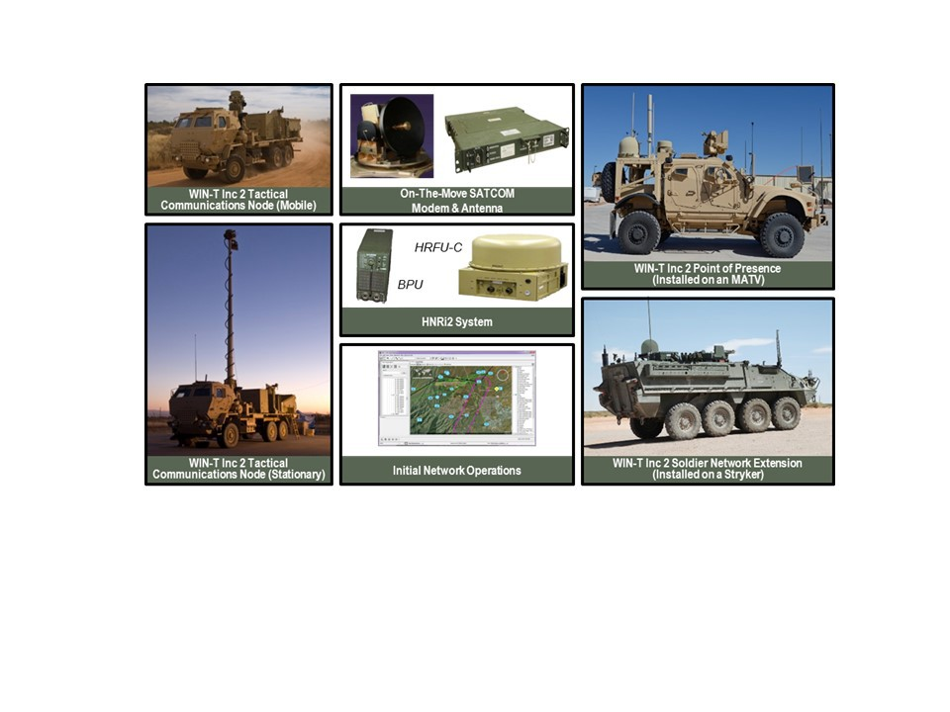
Warfighter Information Network-Tactical Increment 2 (WIN-T Inc 2)
As of FY 2017 President's Budget
Defense Acquisition Management Information Retrieval
(DAMIR)

Table 10
Schedule
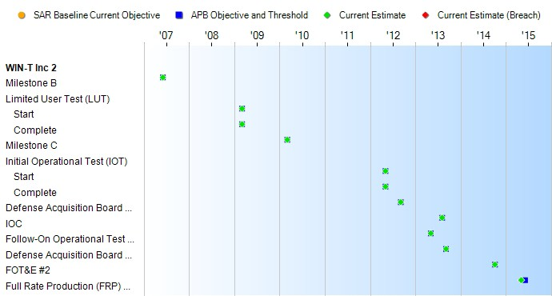
Schedule Events
Events | SAR Baseline Production Estimate | Current APB Production Objective/Threshold |  | Current Estimate
Milestone B | Jun 2007 | Jun 2007 | Jun 2007 | Jun 2007
Limited User Test (LUT)
Start | Mar 2009 | Mar 2009 | Mar 2009 | Mar 2009
Complete | Mar 2009 | Mar 2009 | Mar 2009 | Mar 2009
Milestone C | Feb 2010 | Mar 2010 | Mar 2010 | Mar 2010
Initial Operational Test (IOT)
Start | Nov 2011 | May 2012 | May 2012 | May 2012
Complete | Nov 2011 | May 2012 | May 2012 | May 2012
Defense Acquisition Board Review | N/A | Sep 2012 | Sep 2012 | Sep 2012
IOC | Nov 2012 | Aug 2013 | Aug 2013 | Aug 2013
Follow-On Operational Test and Evaluation (FOT&E) #1 | N/A | May 2013 | May 2013 | May 2013
Defense Acquisition Board Review #2 | N/A | Sep 2013 | Sep 2013 | Sep 2013
FOT&E #2 | N/A | Oct 2014 | Oct 2014 | Oct 2014
Full Rate Production (FRP) Decision Review | Feb 2012 | Jun 2015 | Jun 2015 | May 2015

Table 29
Unit Cost History
Item |  |  |  |  |  |  | Date |  |  |  |  | BY 2010 $M |  |  |  |  |  |  | TY $M
 |  |  |  |  |  |  |  |  |  |  |  | PAUC |  | APUC |  |  |  |  | PAUC |  |  |  | APUC

Original APB |  |  |  |  | Oct 2007 |  |  |  |  |  |  | 1.911 |  |  |  | 1.842 |  |  |  | 2.064 |  |  |  | 1.999
APB as of January 2006 |  |  |  |  | N/A |  |  |  |  |  |  | N/A |  |  |  | N/A |  |  |  | N/A |  |  |  | N/A
Revised Original APB |  |  |  |  | N/A |  |  |  |  |  |  | N/A |  |  |  | N/A |  |  |  | N/A |  |  |  | N/A
Prior APB |  |  |  |  | Feb 2015 |  |  |  |  |  |  | 2.576 |  |  |  | 2.544 |  |  |  | 3.149 |  |  |  | 3.125
Current APB |  |  |  |  | Jun 2015 |  |  |  |  |  |  | 2.517 |  |  |  | 2.485 |  |  |  | 3.043 |  |  |  | 3.018
Prior Annual SAR |  |  |  |  | Dec 2014 |  |  |  |  |  |  | 2.602 |  |  |  | 2.569 |  |  |  | 3.148 |  |  |  | 3.124
Current Estimate |  |  |  |  | Dec 2015 |  |  |  |  |  |  | 2.570 |  |  |  | 2.530 |  |  |  | 3.126 |  |  |  | 3.093
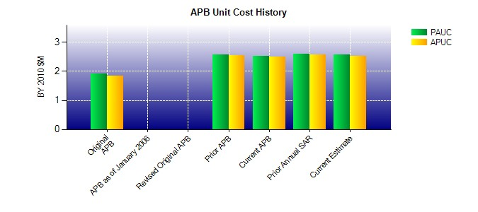
SAR Unit Cost History
Initial SAR Baseline to Current SAR Baseline (TY $M)
Initial PAUC Development Estimate | Changes |  |  |  |  |  |  |  |  |  |  |  |  |  |  |  |  |  |  |  |  | PAUC Production Estimate
 | Econ |  | Qty |  |  | Sch |  |  | Eng |  | Est |  | Oth |  | Spt |  |  | Total
2.064 -0.055 -0.063 0.016 0.000 0.093 0.000 0.200 0.191 2.255
Current SAR Baseline to Current Estimate (TY $M)
PAUC Production Estimate |  | Changes |  |  |  |  |  |  |  |  |  |  |  |  |  |  |  |  |  |  | PAUC Current Estimate
 |  | Econ |  | Qty |  | Sch |  | Eng |  | Est |  |  | Oth | Spt |  |  | Total
2.255 -0.026 0.199 0.084 -0.141 -0.083 0.000 0.838 0.871 3.126

